Sheet1
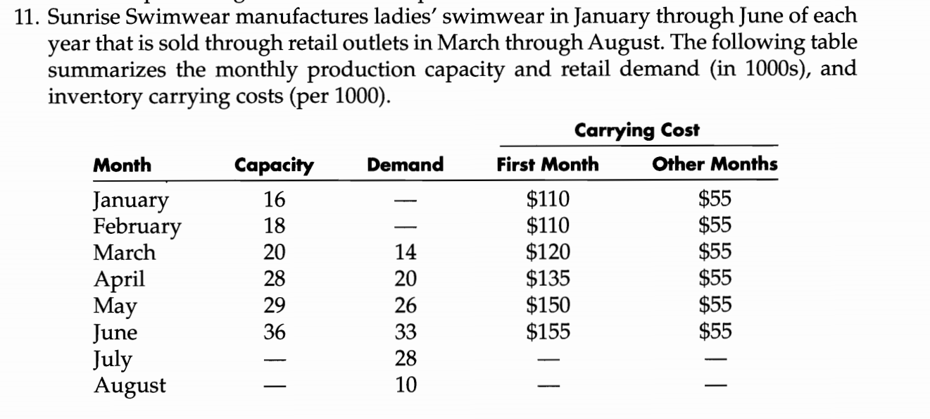

 |  |  |  |  |  |  |  |  |  | carrying cost
DV | from | month | to | month | unit cost | node | month | net flow | demand/supply | 1 | 2
 | 1 | january | 9 | march |  | 1 | january | 0 | -16 | 110 | 55
 | 1 | january | 10 | april |  | 2 | february | 0 | -18 | 110 | 55
 | 1 | january | 11 | may |  | 3 | march | 0 | -20 | 120 | 55
 | 1 | january | 12 | june |  | 4 | april | 0 | -28 | 135 | 55
 | 1 | january | 7 | july |  | 5 | may | 0 | -29 | 150 | 55
 | 1 | january | 8 | august |  | 6 | june | 0 | -36 | 155 | 55
 | 2 | february | 9 | march |  | 7 | july | 0 | 28
 | 2 | february | 10 | april |  | 8 | august | 0 | 10
 | 2 | february | 11 | may |  | 9 | march | 0 | 14
 | 2 | february | 12 | june |  | 10 | april | 0 | 20
 | 2 | february | 7 | july |  | 11 | may | 0 | 26
 | 2 | february | 8 | august |  | 12 | june | 0 | 33
 | 3 | march | 9 | march |  | total supply>total demand |  |  | -16
 | 3 | march | 10 | april
 | 3 | march | 11 | may
 | 3 | march | 12 | june
 | 3 | march | 7 | july
 | 3 | march | 8 | august
 | 4 | april | 10 | april
 | 4 | april | 11 | may
 | 4 | april | 12 | june
 | 4 | april | 7 | july
 | 4 | april | 8 | august
 | 5 | may | 11 | may
 | 5 | may | 12 | june
 | 5 | may | 7 | july
 | 5 | may | 8 | august
 | 6 | june | 12 | june
 | 6 | june | 7 | july
 | 6 | june | 8 | august

